Sheet1
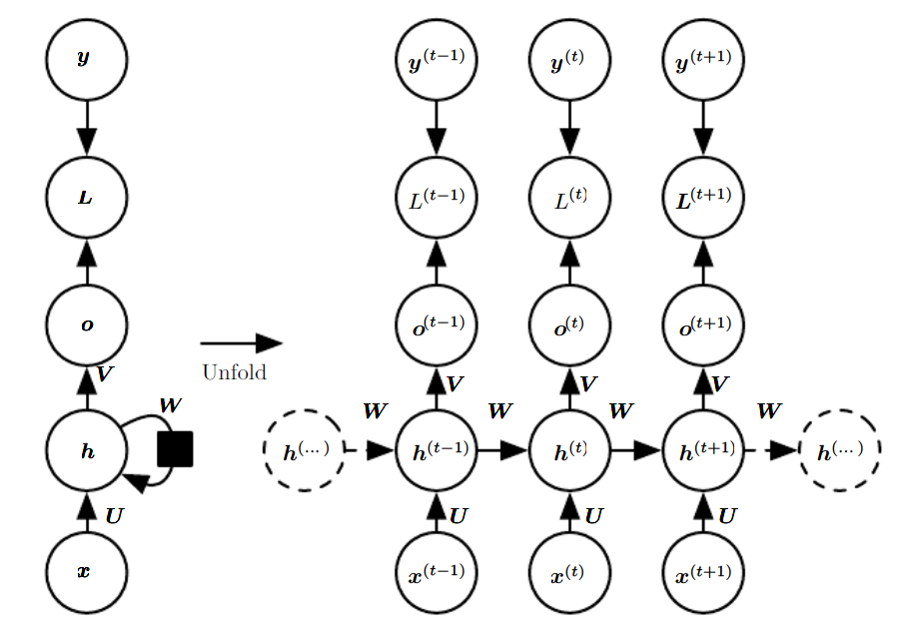
Hidden Cells | 3
Data | [Vocab Size, No of examples] [4,1]
Output Neurons | 2

X(t) | [4,1]
Whx( Input to Hidden Connections Weight matrix - U) | [3,4]
Whh( Hidden to Hidden recurrent Connection Weight matrix - W) | [3,3]
Bh(Bias of the neuron) | [3]
h(t-1) - For the 1st letter | [3,1]
State at time t (ht=tanh(Whh*h(t-1) + Whx*Xt)) | [3,1]
Wya(Hidden to Output Connections Weight Matrix- V) | [2,3]

Update Equations
a(t) | b'+[W*h(t-1) + U*X(t)])
h(t) | tanh(a(t))
o(t) | b+V *h(t)
y(t) | softmax(y(t))
Total Loss | (Sum of the losses over all time step)

